Minutes (1st)
MCC TECHNIQUE SDN. BHD. |  |  |  |  | COMPANY ADMINISTRATION |  |  |  | Issue No.: 1 |  | Document Effective Date: 01 Aug 2017 |  |  | Page 1 of 2
 |  |  |  |  | Minutes Of Meeting Form |  |  |  | Revision No.: 0 |  |  |  |  | Document Ref.: AD-REC-MOM

TYPE OF MEETING: |  |  |  |  |  | TITLE OF MEETING: SAFETY AND HEALTH COMMITTEE MEETING NO. 1

 | a |  | INTERNAL MEETING |  |  |  |  |  | MINUTES DATE |  | : | 13.02.2025

 |  |  | VENDOR MEETING |  |  |  |  |  | PREPARED BY |  | : | Nurul Atikah

 |  |  | OTHERS, PLEASE SPECIFY ……………………

DATE & TIME : |  |  |  | 13.02.2025 @ 09:30am-4.30pm

VENUE : |  |  |  | The Cruze, Level 2 Conference Room

 | ATTENDANCE : |  |  | 1) Philip Yong |  |  | (Executive Director) |  | ABSENT: With apologies
 |  |  |  | 2) Nurul Atikah |  |  | (SAE) |  | 1) Muhammad Izzat Zarif Bin Ab Ghani |  |  |  | (Site Safety Superviosr)
 |  |  |  | 3) Hassan Bin Mohd Yusof |  |  | (SHO)
 |  |  |  | 4) Fakhrurrazi Bin Mohd Yusof |  |  | (Site Safety Supervisor)

ITEM |  | DESCRIPTION |  |  |  |  |  |  |  | ACTION
 |  |  |  |  |  |  |  |  |  | RESPONSIBILITY |  |  |  | TARGETED DATE

1) |  | MINUTES OF LAST MEETING
1.1) |  | No minutes meeting was recorded due to this being the first safety and health committee meeting that needed to be conducted to comply DOSH requirements (new implementation OSHA law)

2) |  |  | INTRODUCTION
2.1) |  |  | Nurul welcomed everyone, and the opening meeting started by explaining why MCC must establish a safety and health committee. The objective of the safety and health committee meeting is to secure the safety, health, and welfare of our Company's personnel at work against risks to safety and health arising out of the activities at the project sites.
3) |  |  | EXTERNAL & INTERNAL ISSUES RELATING TO OCCUPATIONAL SAFETY & HEALTH (OSH)
3.1) |  |  | The meeting discussed various issues that affects the Company both externally and internally as follows:
 |  |  | External Issues
 |  |  | (1) To disuss about new implementation by DOSH in MYKKP System (PEMTK/JKKP12).
 |  |  | (2) Our IPO team required MCC TECHNIQUE SDN BHD to establish a safety and health committee
 |  | for our Company that have more than forty(40) person employed.
 |  |  | (3) Every site project has to provide HIRARC (Hazard Identification, Risk Assessment, Risk Control) for working at height and Safety Work Procedures(SWP).
 |  |  | Internal Issues
 |  |  | (1) All participants agreed to to be part of the Company safety committee.
 |  |  | (2) The meeting had agreed to form the Company's safety and health committee as per the organization chart below.
 |  |  | (3) Briefing all safety and health committee members on the function and responsibility Safety and Health Committee (SHC).
 |  |  | (4) Create Safety and Health Committee Organization Chart.
 |  |  | (5) Preparing appointment letters for the appointed Safety and Health Committee (SHC) members.
3.2) |  |  | Decision: Nurul will prepare the appointment letter and get validated by ED. |  |  |  |  |  |  | NURUL / PHILIP

4) |  |  | OSH ACTIVITIES
4.1) |  |  | The meeting discussed to hold the following OSH activities: |  |  |  |  |  |  | NURUL
 |  |  | i) Arrange traning for Safety and Healt.
 |  |  | ii) Create and implement safety work procedures.
 |  |  | iii) Selection of consultant for establish ISO 45001:2018 for MCC Technique Sdn. Bhd.
 |  | iv) Arrange schedule for next safety meeting.
4.2) |  |  | To Conduct Fire drill Tranning at Curze Office: |  |  |  |  |  |  | PHILIP
 |  |  | Date : 05 March 2025
 |  |  | Time : 10.00am-3.00pm
 |  |  | Venue: The Cruze Office
4.3) |  |  | To conduct special safety meeting at Cruze Office (after the fire drill): |  |  |  |  |  |  | NURUL
 |  | Date : 05 March 2025
 |  |  | Time :3.00pm-6.00pm
 |  |  | Venue: The Cruze Office
4.4) |  |  | Training Working at height
 |  |  | To educate employee to follow safety work procedure (if the risk cannot be eleminated, minimize the consequences and distance of a fall by using the right type of equipment). |  |  |  |  |  |  | HASAN

MCC TECHNIQUE SDN. BHD. |  |  |  |  | COMPANY ADMINISTRATION |  |  |  | Issue No.: 1 | Document Effective Date: 01 Aug 2017 |  |  |  | Page 2 of 2
 |  |  |  |  | Minutes Of Meeting Form |  |  |  | Revision No.: 0 |  |  |  |  | Document Ref.: AD-REC-MOM

ITEM |  | DESCRIPTION |  |  |  |  |  |  |  | ACTION
 |  |  |  |  |  |  |  |  |  | RESPONSIBILITIES |  |  |  | TARGETED DATE

5) |  |  | SAFETY AND HEALTH COMMITTEE ORGANIZATION CHART
5.1) |  |  | The meeting discussed on the structure of the safety and health committee organization as follows:
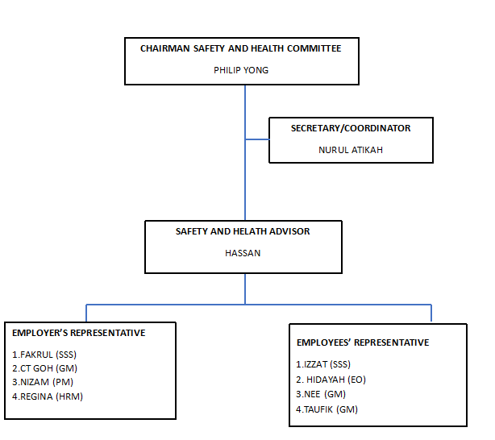

5.2) |  |  | Decision:
 |  |  | The meeting had agreed to adopt the above safety committee members. |  |  |  |  |  |  | ALL

6) |  |  | OTHER RELEVANT MATTERS
6.1) |  |  | There is a need to employ one SHO for NextDC Electrical Project and one Safety Coordinator under NURUL. |  |  |  |  |  |  | PHILIP
6.2) |  |  | The committee concluded the discussion and agreed to have a meeting every 3 months once. |  |  |  |  |  |  | ALL
7.0) |  |  | CLOSING
7.1) |  |  | As there were no other matters arising, the meeting was adjourned at 5.10pm.

 | Minutes by: |  |  |  |  |  |  | Approved by:

 | NURUL ATIKAH BIN ZULIKIFI |  |  |  |  |  |  | PHILIP YONG
 | Recording Secretary |  |  |  |  |  |  | Executive Director
 | Date: 13.2.2025 |  |  |  |  |  |  | Date: 13.2.2025

