May2022
HEXATECH |  | PROJECT DEPARTMENT |  |  | Issue No.: 1 | Document Effective Date: 01 Mar 2017 | Page 1 of 5
 |  | Monthly Site Progress Report |  |  | Revision No.: 0 |  | Document Ref.: PD-REC-MSPR

SAMPLE REPORT
Project Title: |  |  | Proposed Replacement Of MV Switchgear, Transformer & LV Main Switchboard For Menara TA One, Kuala Lumpur.
Progress Report No.: |  |  | 01/2022
Progress Report Date: |  |  | 09 May 2022
Overall Work Program: |  |  | Work Program as of 09 May 2022 as per attached.
Other Attachment: |  |  | Shut Down Timeline as of 09 May 2022 as per attached.

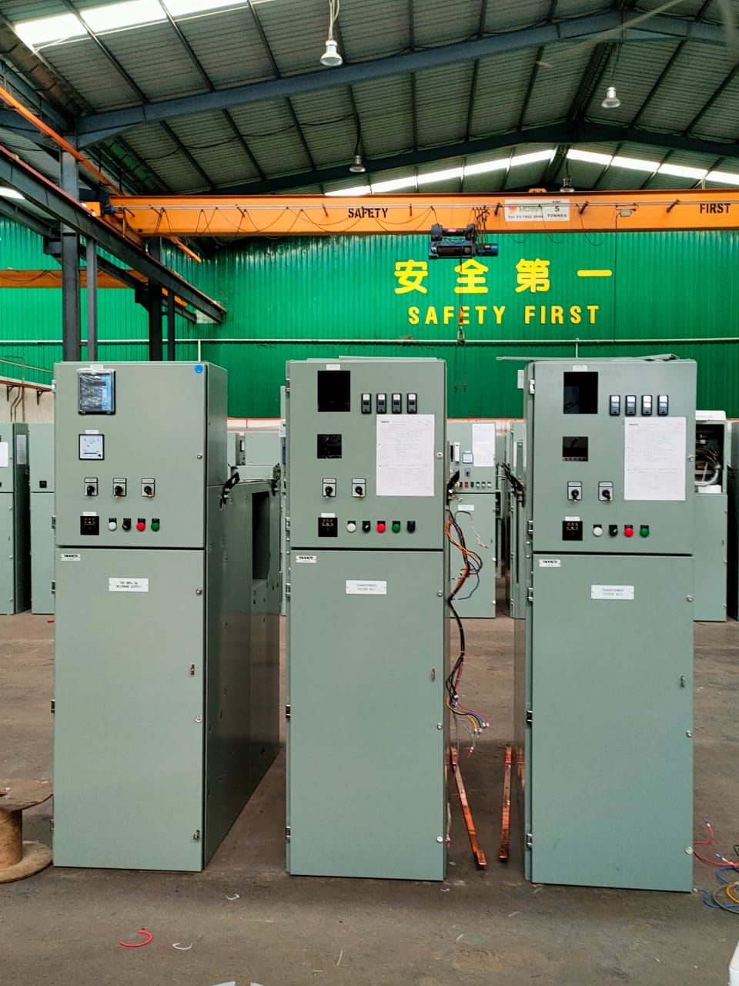
Item | Location |  |  | Material Status | % Completion | Date | Remarks
1 | Tamco Switchgear for 21st Floor |  |  |  | 90% | 27/04/2022

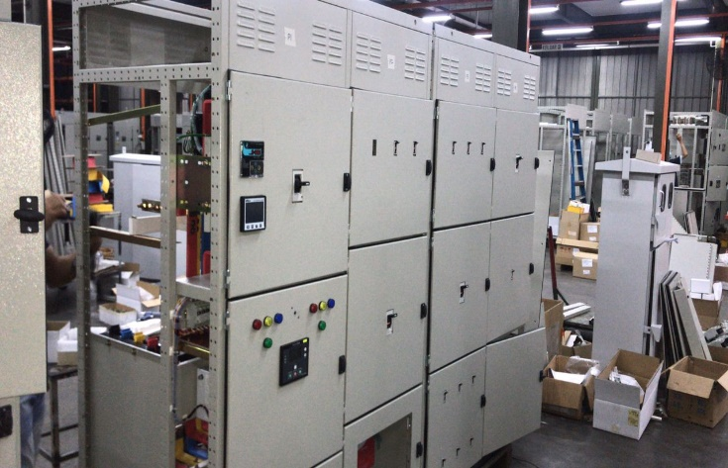
2 | LV MSB & EMSB 1 for Ground Floor |  |  |  | 90% | 26/04/2022

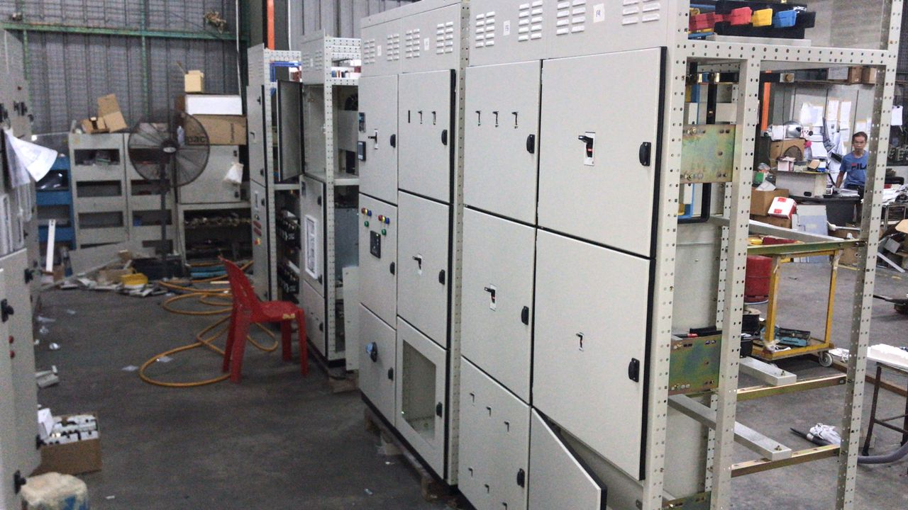

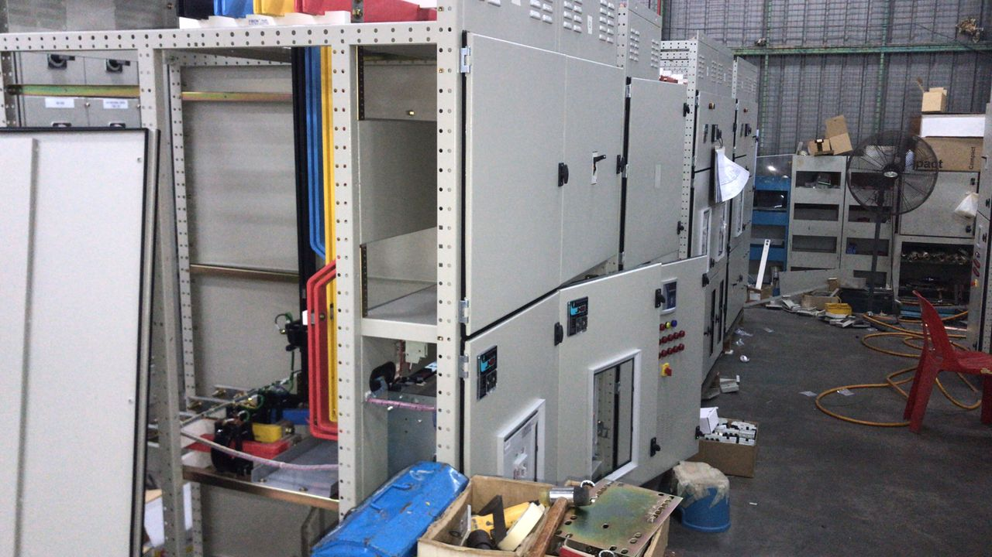

Hexatech SDN. BHD. |  | PROJECT DEPARTMENT |  |  | Issue No.: 1 | Document Effective Date: 01 Aug 2017 | Page 2 of 5
 |  | Monthly Site Progress Report |  |  | Revision No.: 0 |  | Document Ref.: PD-REC-MSPR
Progress Report No.: 01/2022 |  |  |  | Date: 9 May 2022
Item | Location |  |  | Material Status | % Completion | Date | Remarks

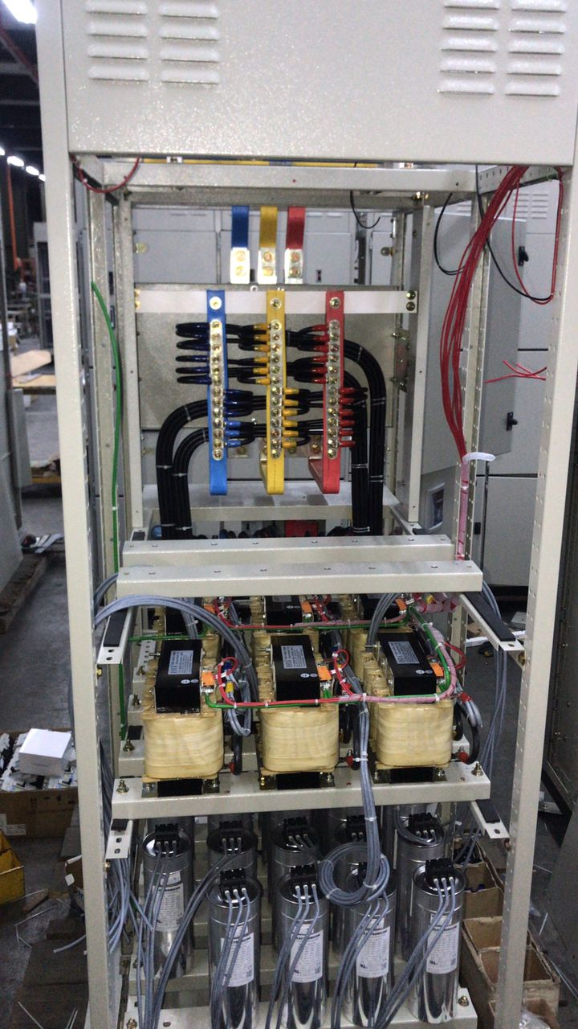
2 | LV MSB & EMSB 1 for Ground Floor

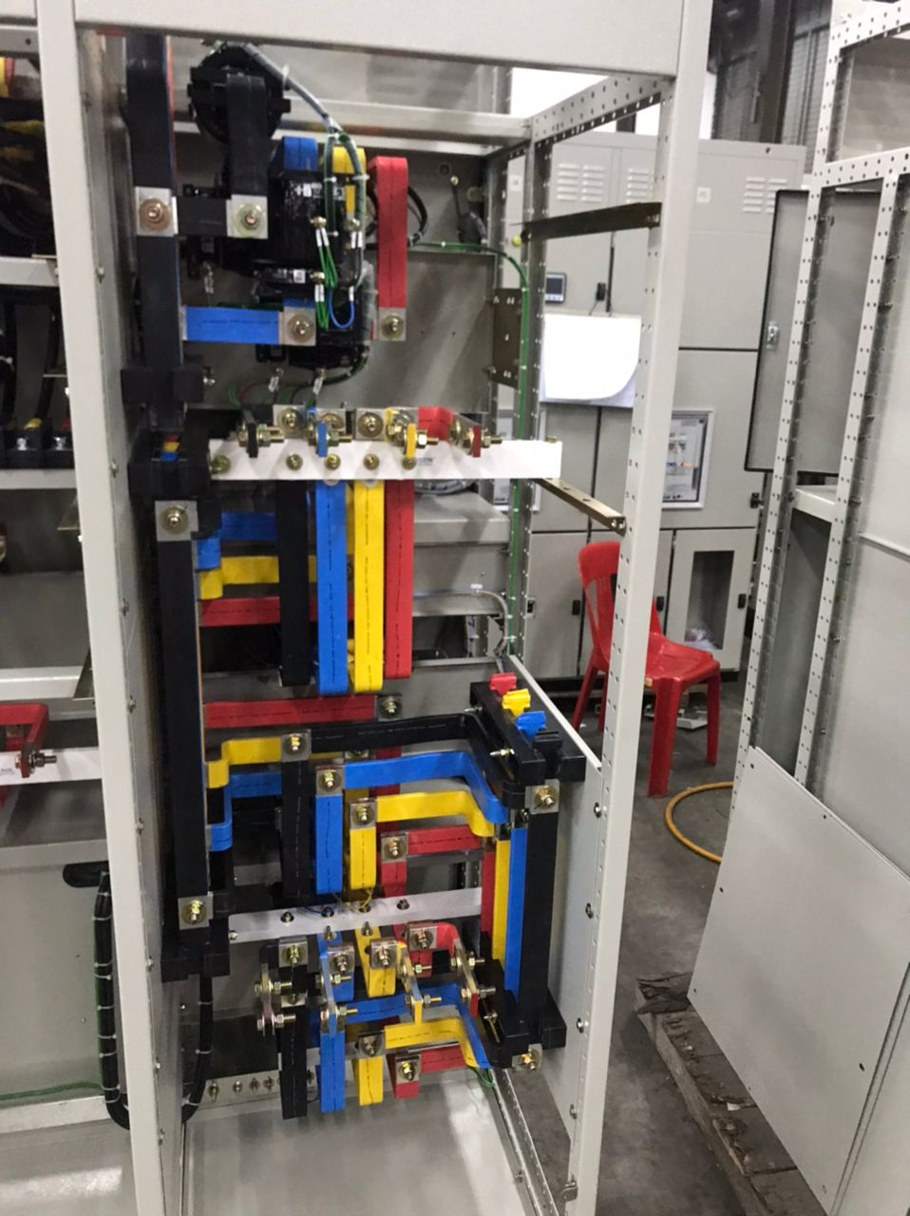

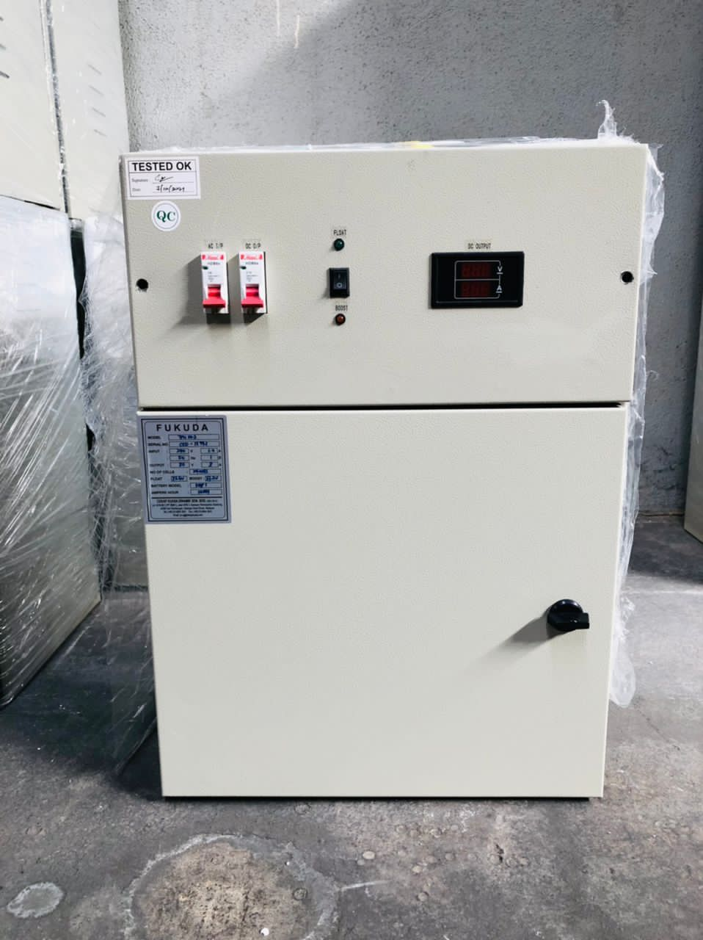
3 | HT DC Battery Charger (2 units) |  |  |  | 100% | 26/04/2022

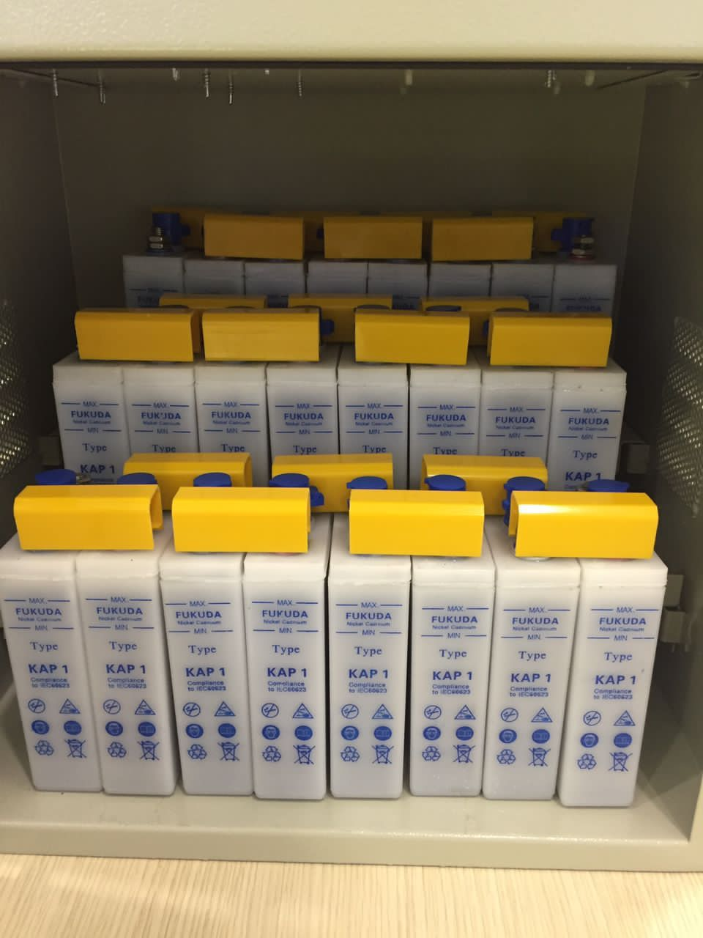

Hexatech SDN. BHD. |  | PROJECT DEPARTMENT |  |  | Issue No.: 1 | Document Effective Date: 01 Aug 2017 | Page 3 of 5
 |  | Monthly Site Progress Report |  |  | Revision No.: 0 |  | Document Ref.: PD-REC-MSPR
Progress Report No.: 01/2022 |  |  |  | Date: 9 May 2022
Item | Location |  |  | Material Status | % Completion | Date | Remarks
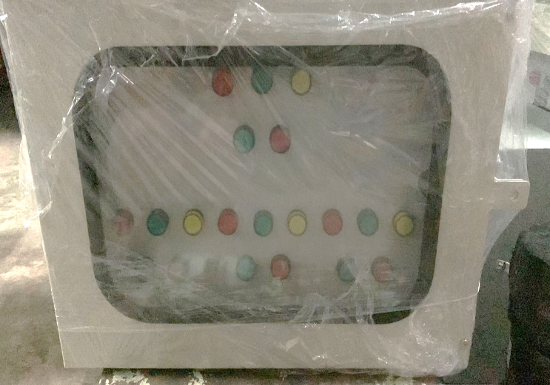
4 | Remote Control Panel (2 units) |  |  |  | 100% | 28/04/2022

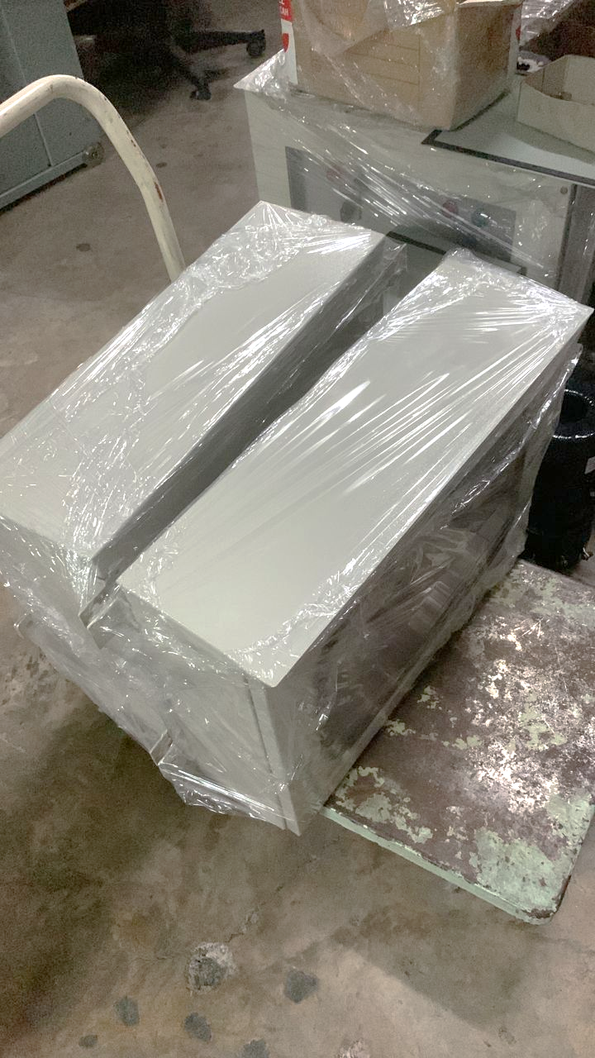

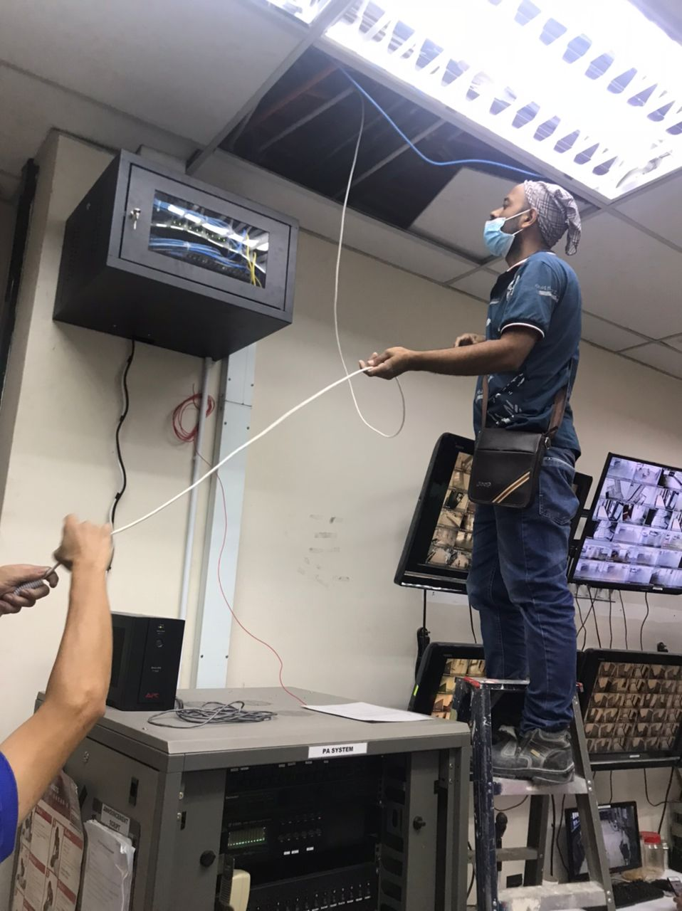
5 | Cat6 cabling at Ground Floor, 21st Floor & 22nd Floor |  |  |  | 100% | 19/4/2022 to 30/4/2022

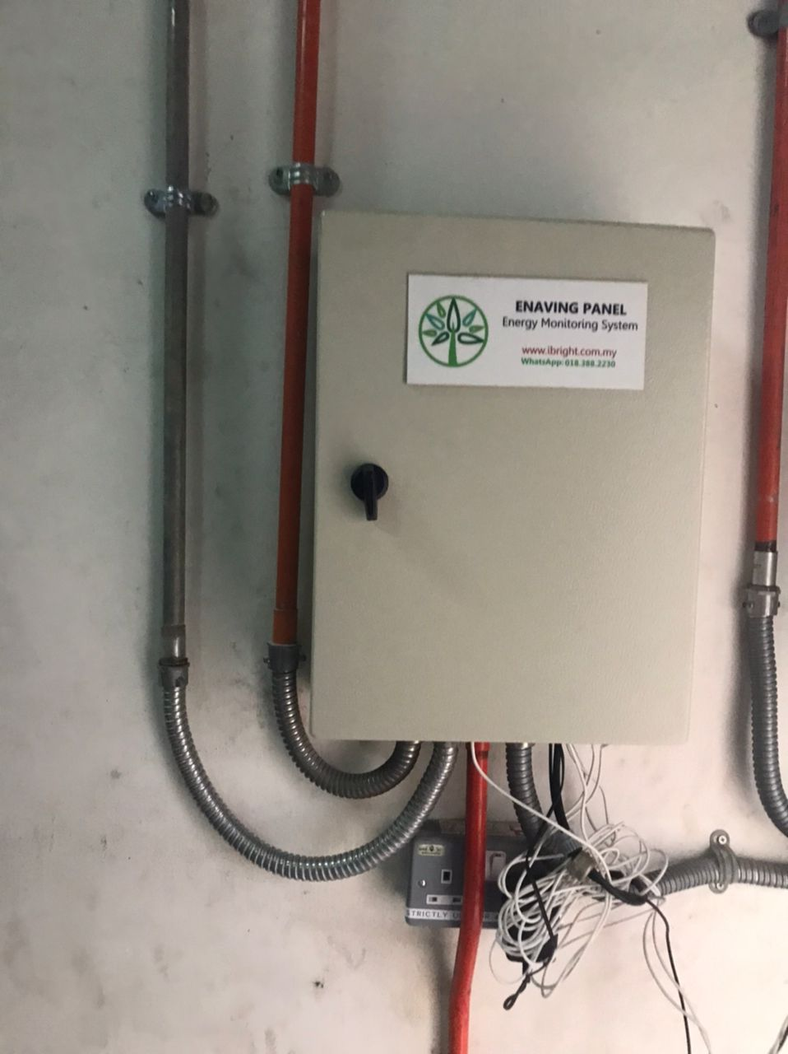

Hexatech SDN. BHD. |  | PROJECT DEPARTMENT |  |  | Issue No.: 1 | Document Effective Date: 01 Aug 2017 | Page 4 of 5
 |  | Monthly Site Progress Report |  |  | Revision No.: 0 |  | Document Ref.: PD-REC-MSPR
Progress Report No.: 01/2022 |  |  |  | Date: 9 May 2022
Item | Location |  |  | Material Status | % Completion | Date | Remarks
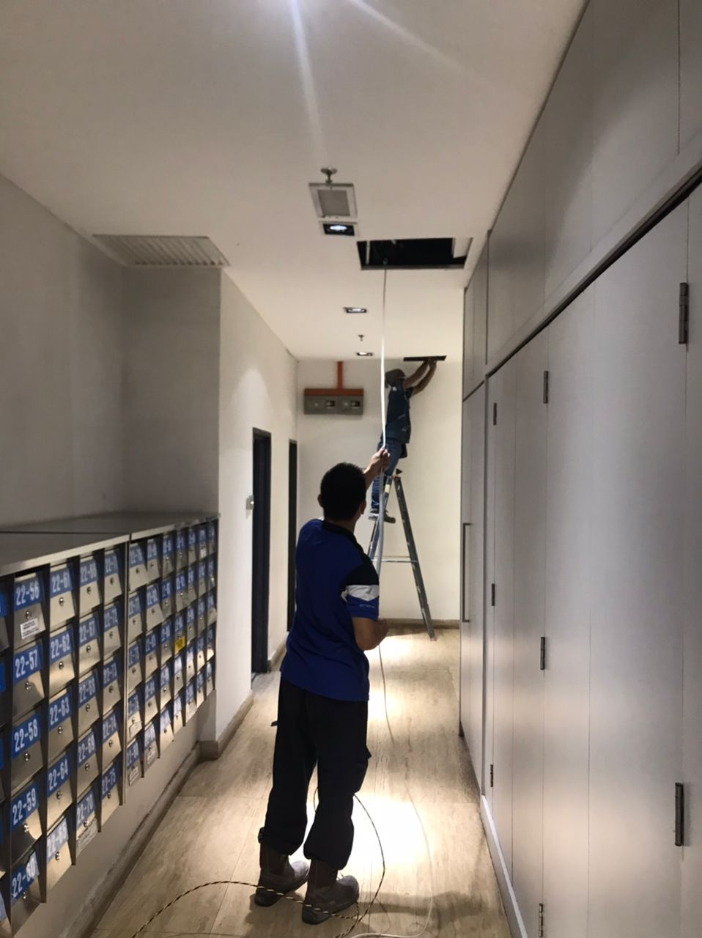
5 | Cat6 cabling at Ground Floor, 21st Floor & 22nd Floor

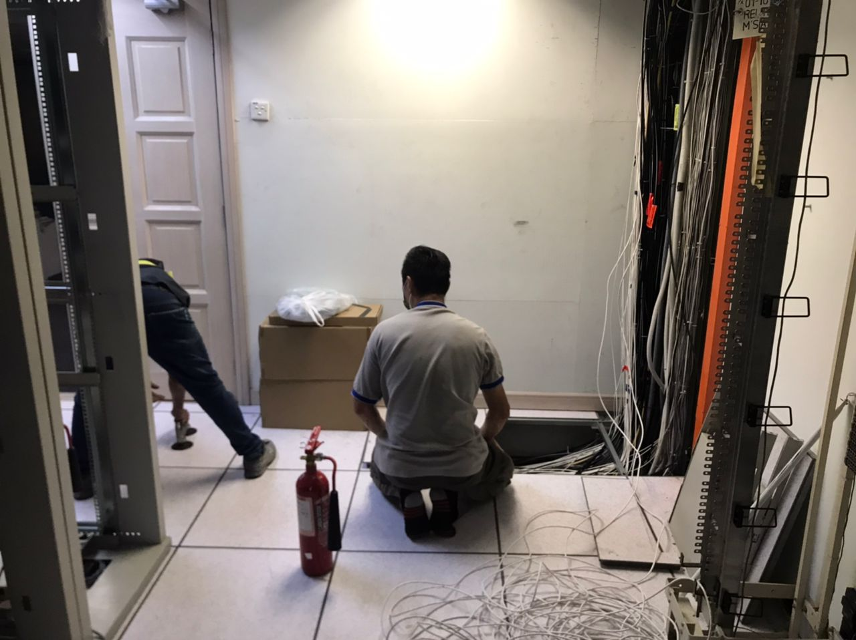

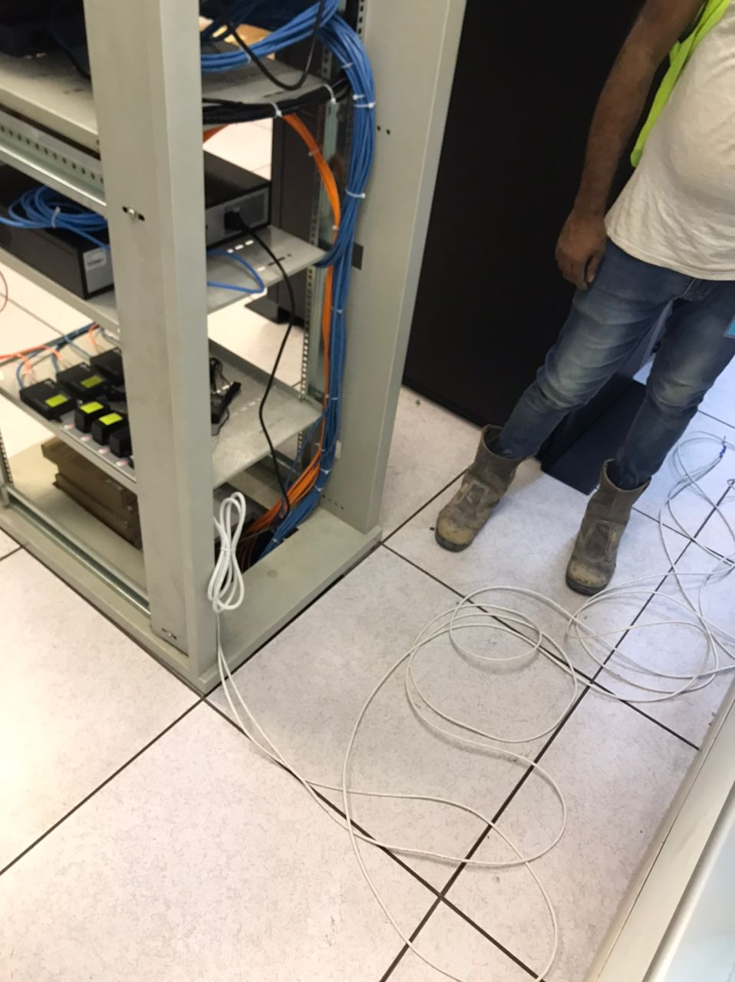

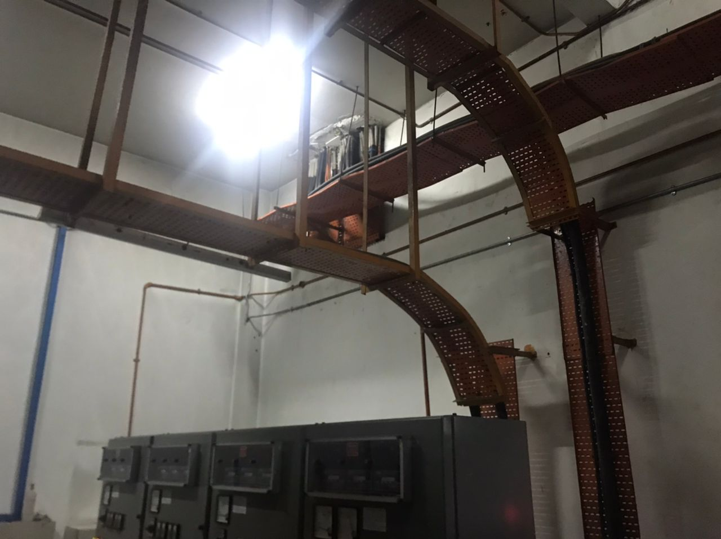

Hexatech SDN. BHD. |  | PROJECT DEPARTMENT |  |  | Issue No.: 1 | Document Effective Date: 01 Aug 2017 | Page 5 of 5
 |  | Monthly Site Progress Report |  |  | Revision No.: 0 |  | Document Ref.: PD-REC-MSPR
Progress Report No.: 01/2022 |  |  |  | Date: 9 May 2022
Project Progress Status

6 | Project Duration / Extension of Time (EOT)
 | Project Duration |  |  | Document Reference | Date | Remarks
 | 18 Mar 2022 to 15 Jul 2022 |  |  | Letter Of Intention - ABCSB/MTA/MCCT/02 | 18 Mar 2022 | Letter of Award will be issued.
 | No EOT

7 | Variation Order
 | Variation | Date |  | Description / Engineer Instruction | Quotation & Date | Amount (RM) | Approval
 | 1 | 05 May 2022 |  | Supply & Install Temporary Essential Supply During Shut Down / KVA/MTA/MCCT/EI/01 dated 26 Apr 2022 | PR602-TAPSB-MTAO-ELEC-3330 dated 05 May 2022 | 90,000.00 | Not Yet

8 | Progress Claims / Retention
 | Claim No. | Date |  | Claim Details / Evaluation Period / Retention | Engineer Approval Date | Amount (RM) | Payment Issue Date
 |  |  |  | None

9 | Contact Directory
 | PIC | Appointment / Name / Hp No.
 | ABC Sdn Bhd | Facility Manager - Mr xxxx - 012-906 xxxx
 | ABC Sdn Bhd | Chargeman - En xxxx - 019-708 xxxx
 | ABC Consulting | Consultant - Ir xxxx - 016-478 xxxx
 | Hexatech | Project Director - Mr xxxx - 012-6622 xxxx
 | Hexatech | Project Manager - Mr xxxx - 016-6622 xxx
 | Hexatech | Project Engineer - Mr. xxxx - 012-999 xxxx
 | Hexatech | Project Executive - En. xxxx- 016 6622 xxxx
 | Hexatech | Contracts Manager - Ms xxxx - 019-655 xxxx

10

11 | Issue Of Concern / To Follow Up
 | No. | Action Item |  |  |  | Action By | Status
 | 1 | Letter of Award (targeted 1st week of May 2022 to issue). |  |  |  | ABC Sdn Bhd | Not Yet
 | 2 | Supply of Diesel - max capped at 3,500 litres @ RM3.90/litre. New rate: RM4.60/litre. |  |  |  | Hexatech | Highlighted
 | 3 | Tenant request for genset support. |  |  |  | Hexatech | Highlighted
 | 4 | Liaison with TNB for CT witness and shut down (for 2nd shut down). |  |  |  | Hexatech | Highlighted
 | 5 | Work permit application - for 1st & 2nd shut down. |  |  |  | Hexatech | Highlighted

Prepared by: |  |  |  | Verified by: | Recorded by:

Signature: |  |  |  | Signature: | Signature:
Name: |  |  |  | Name: | Name:
Appointment: Project Executive |  |  |  | Appointment: Project Manager | Appointment: | Document Controller
Date: …. May 2022 |  |  |  | Date: xxx May 2022 | Date: | xxx May 2022

